Start
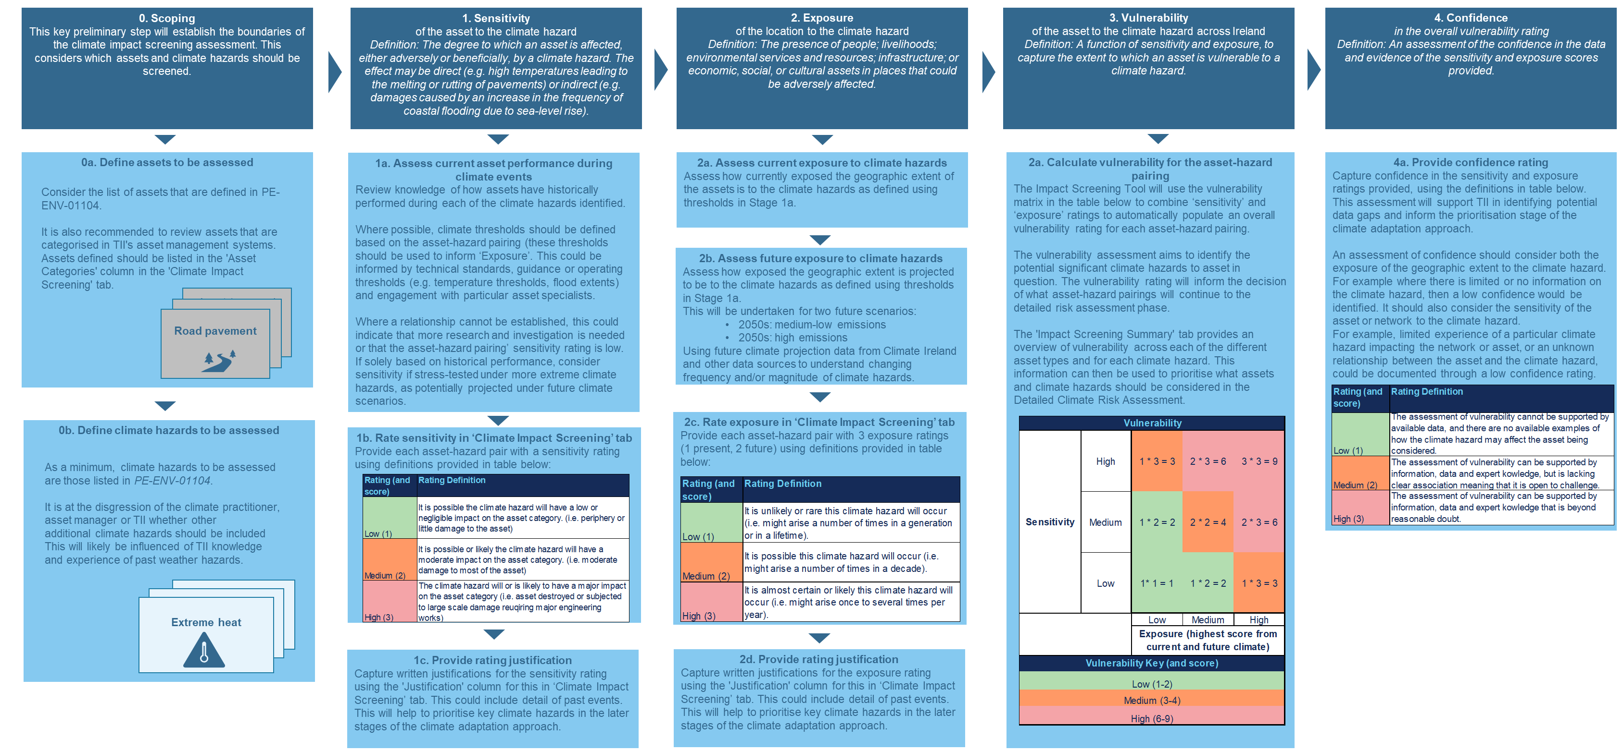
Climate Impact Screening Assessment Tool
Division: | Buildings

Background Transport Infrastructure Ireland (TII) has recently updated its Climate Adaptation Strategy, which aims to improve the resilience of TII's networks to the impacts of climate change. This is TII's second Climate Adaptation Strategy, and responds to Ireland's 2021 Climate Action Plan. The Strategy will also inform the Department of Transport's Sectoral Adaptation Plan. |  | The Climate Impact Screening Assessment Tool This 'Climate Impact Screening' assessment tool represents Stage 2 of TII's climate adaptation approach, and aligns with the approach set out in PE-ENV-01104. This Climate Impact Screening Assessment Tool supports the assessment of vulnerability for TII's assets to a range of climate hazards. This tool should be used by informed practitioners who understand both the climate data, and the impact of climate change on TII’s assets. The following should be noted when using this tool: • PE-ENV-01104 has been developed for new projects, as opposed to a portfolio of existing assets. The principle of PE-ENV-01104 has been followed here, but the different application should be recognised. • This screening tool has is not a spatial risk assessment. Geographic factors that may exacerbate or decrease exposure, for example elevation, or proximity to coast, are not considered. For the purposes of this assessment, impact screening will be undertaken at a national scale (except for Light Rail network which principally is in the Dublin vicinity). • Similarly, this screening tool does not consider individual assets. Factors that may exacerbate or decrease asset sensitivity, for example asset health, or specific design features, are not considered. Asset sensitivity assessment should consider whether there is any historical evidence of asset failures, and use engineering judgement.
TII's approach to climate adaptation The Climate Adaptation Strategy sets out a six-stage approach for embedding climate adaptation across TII. This approach is shown in Figure 1 (see below) and aligns with the Department of Transport guidelines. Stages 2, 3 and 4 incorporate the climate risk assessment methodology developed by the European Commission's 'Technical guidance on the climate proofing of infrastructure in the period 2021-2027' and recently integrated into PE-ENV-01104 'Climate guidance for National Roads, Light Rail and Rural Cycleways (offline and Greenways) - Overarching technical document'.

 |  | Methodological approach to undertaking the Climate Impact Screening Assessment The Climate Impact Screening Assessment has 5 key steps, which are outlined in Figure 2 below. The assessment is carried out in the 'Climate Impact Screening' tab. The 'Impact Screening Summary' tab provides a summary of the recorded vulnerabilities by hazard and asset type which should be used to inform the 'Prioritisation' (Stage 3) of TII's approach to climate adaptation (Figure 1).
 |  | Next steps The results of this screening assessment will help TII to prioritise which assets and climate hazards are taken forward to the Priority Impact Assessment stage (Stage 4 in Figure 1), which represents the 'Detailed climate change risk assessment' set out in PE-ENV-01104. Where the screening assessment shows a low or insignificant climate vulnerability, TII and the climate practitioner should make a judgement as to whether there could be geographic or asset specific factors that could increase either exposure or sensitivity. If so, it may be decided that a detailed risk assessment should be undertaken. The decision to take the approach forward to a detailed risk asessment will depend on the justified assessment of TII and the climate practitioner. Ultimately, the results from the Priority Impact Assessment and the detailed risk assessment will be used to support the development of TII's Climate Adaptation Plan(s). These plans will identify appropriate adaptation actions and measures that aim to reduce climate risks to acceptable levels.

Figure 1. TII's approach to climate adaptation (from TII Climate Adaptation Strategy, 2022) |  | Disclaimer on climate data In preparing this screening template we have used climate model outputs obtained from external sources including Met Eireann and Climate Ireland. Such models can help consider possible future climate scenarios or outcomes, but no model that attempts to project the future can do so with certainty. Actual events may not occur as projected, and the differences may be material. As such, this assessment does not make any representation or warranty, express or implied, regarding the accuracy or completeness of any such forward-looking advice, or any models, projections, forecasts, opinions or estimates. Any advice, including forward-looking advice, is time-sensitive at the time of writing. Climate models are constantly updated and there may be material differences between climate models used at the time of writing and climate models generated later.

Figure 2. Workflow for Climate Impact Screening Assessment Tool.

